Sheet1
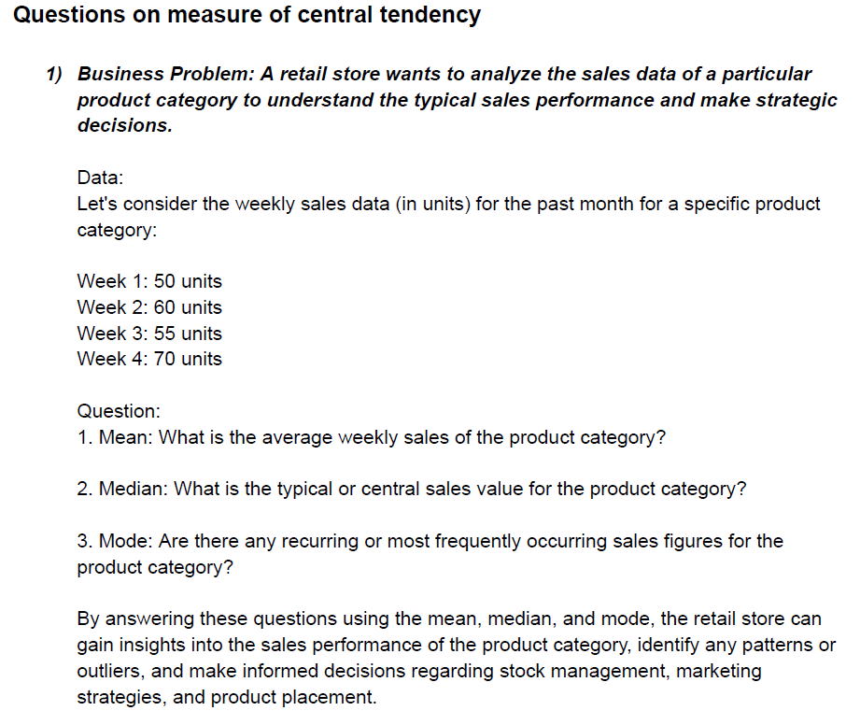
Answer 1
Data set
50 | Mean = | 58.75
60 | Median = | 57.5
55 | Mode = | #N/A
70

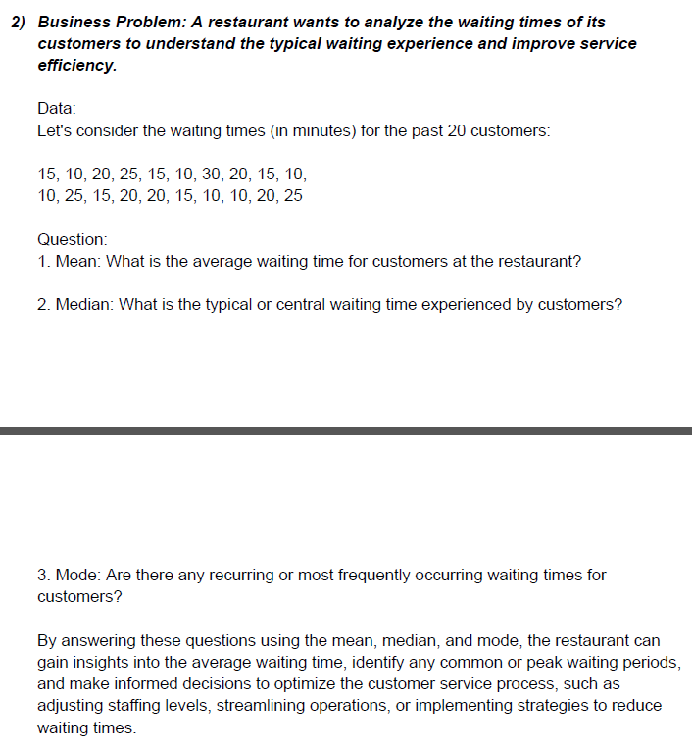

Answer 2
Data Set
15 | Mean = | 17
10 | Median = | 15
20 | Mode = | 10
25
15
10
30
20
15
10
10
25
15
20
20
15
10
10
20
25

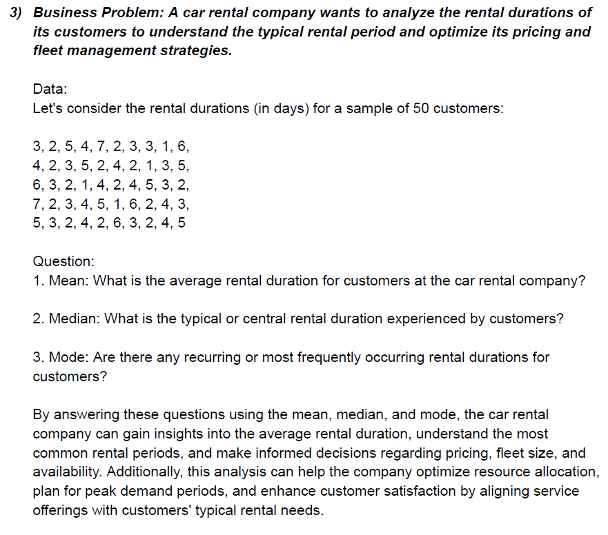
Answer 3

Data Set
3 | 6 | 5 | Mean = | 3.44
2 | 3 | 3 | Median = | 3
5 | 2 | 2 | Mode = | 2
4 | 1 | 4
7 | 4 | 2
2 | 2 | 6
3 | 4 | 3
3 | 5 | 2
1 | 3 | 4
6 | 2 | 5
4 | 7
2 | 2
3 | 3
5 | 4
2 | 5
4 | 1
2 | 6
1 | 2
3 | 4
5 | 3

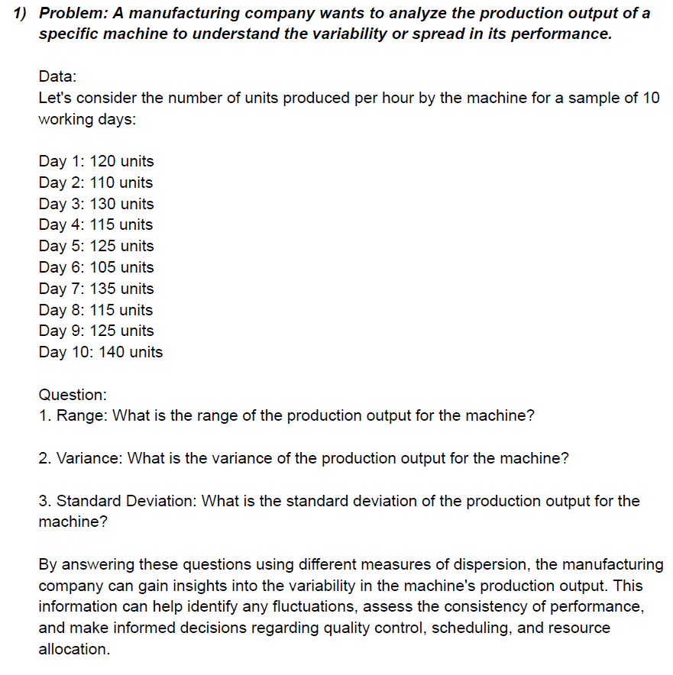

Answer 1

Data Set
120 | Range = | 35 | 105 | Min
110 | Variance = | 111 | 140 | Max
130 | Std . Dev = | 10.535653753
115
125
105
135
115
125
140

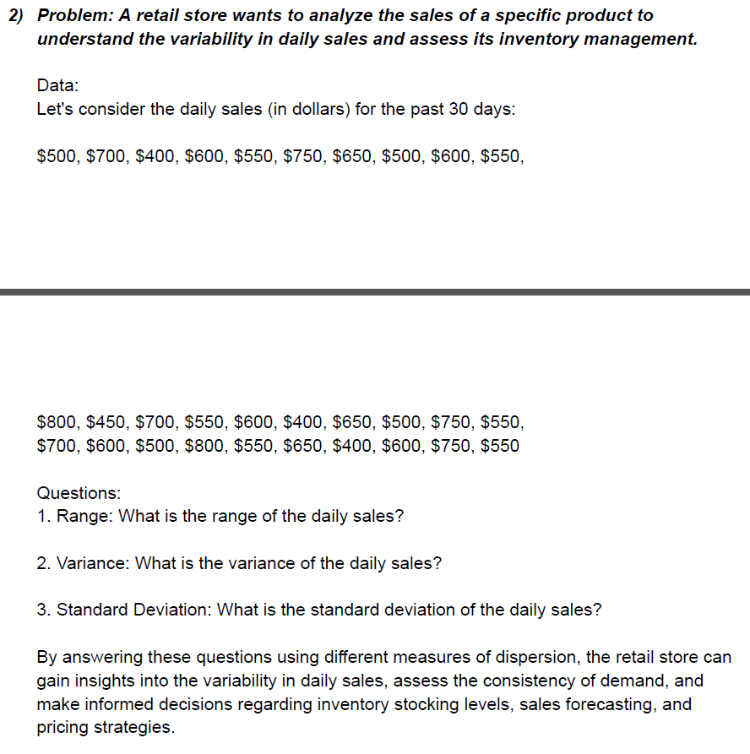
Answer 2

Dataset
500 | 400 | Range = | 400 | 400 | Min
700 | 650 | Variance = | 12725 | 800 | Max
400 | 500 | STD Dev = | 112.80514173
600 | 750
550 | 550
750 | 700
650 | 600
500 | 500
600 | 800
550 | 550
800 | 650
450 | 400
700 | 600
550 | 750
600 | 550

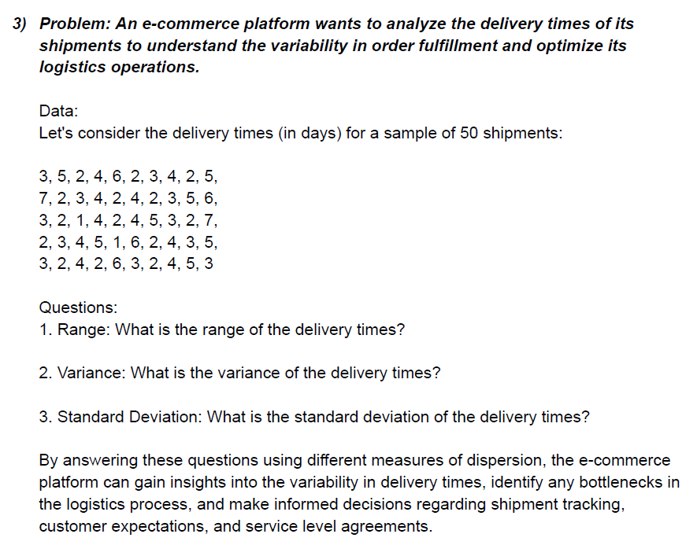
Answer 3
Data Set
3 | 4 | Range = | 6 | 1
5 | 5 | Variance = | 2.2896 | 7
2 | 3 | Std Dev = | 1.5131424256
4 | 2
6 | 7
2 | 2
3 | 3
4 | 4
2 | 5
5 | 1
7 | 6
2 | 2
3 | 4
4 | 3
2 | 5
4 | 3
2 | 2
3 | 4
5 | 2
6 | 6
3 | 3
2 | 2
1 | 4
4 | 5
2 | 3

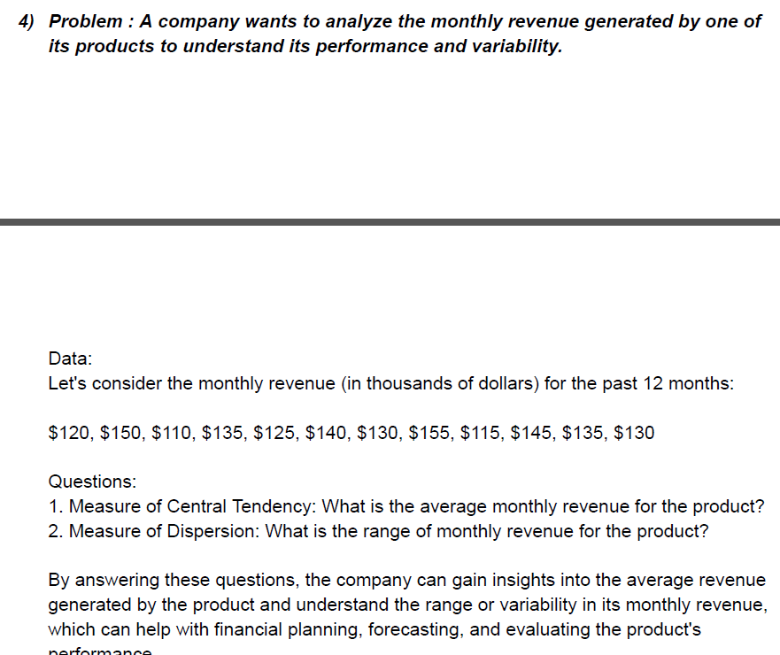

Answer 4

Data Set
120 | Average = | 132.5
150 | Range = | 45 | 110
110 |  |  | 155
135
125
140
130
155
115
145
135
130

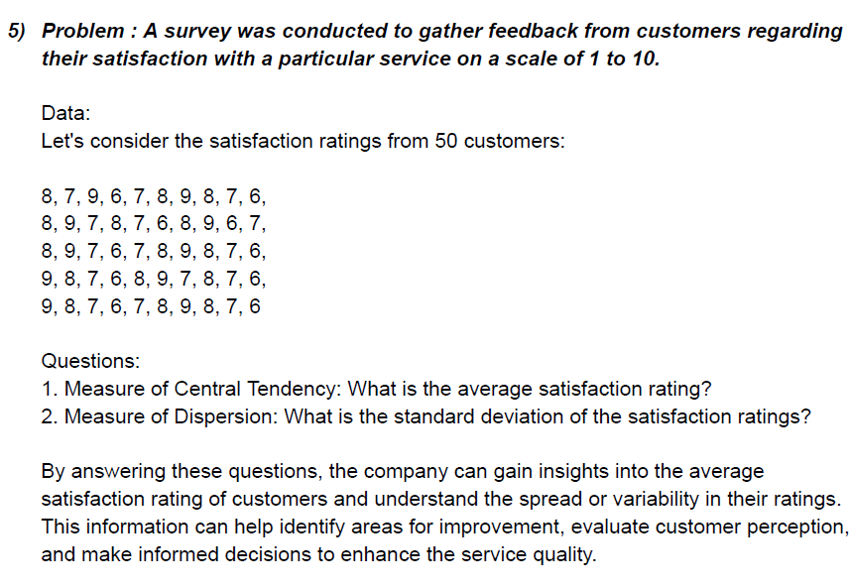

Answer 5
Data Set

8 | 8 | Average = | 7.5
7 | 9 | Std Dev = | 1.0246950766
9 | 8
6 | 7
7 | 6
8 | 9
9 | 8
8 | 7
7 | 6
6 | 8
8 | 9
9 | 7
7 | 8
8 | 7
7 | 6
6 | 9
8 | 8
9 | 7
6 | 6
7 | 7
8 | 8
9 | 9
7 | 8
6 | 7
7 | 6

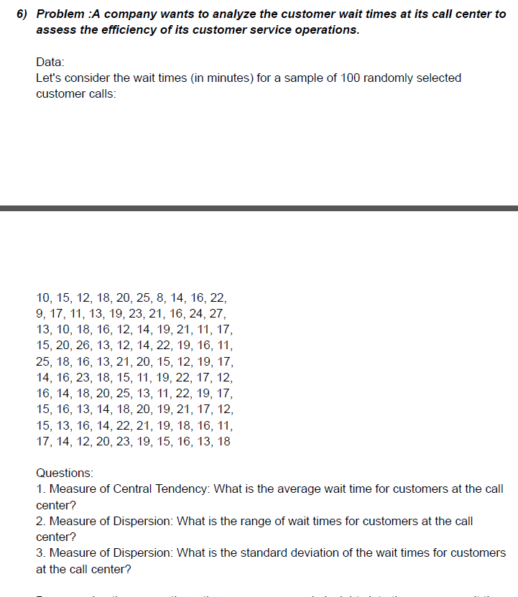
Answer 6
Data Set
10 | 15 | 16 | 17 | Average = | 16.51
15 | 20 | 14 | 14 | Range = | 25 | 2
12 | 26 | 18 | 12 | Std Dev = | 4.2930059399 | 27
18 | 13 | 20 | 20
20 | 12 | 25 | 23
25 | 14 | 13 | 19
8 | 22 | 11 | 15
14 | 19 | 22 | 16
16 | 16 | 19 | 13
22 | 11 | 17 | 18
9 | 2 | 15
17 | 18 | 16
11 | 16 | 13
13 | 13 | 14
19 | 21 | 18
23 | 20 | 20
21 | 15 | 19
16 | 12 | 21
24 | 19 | 17
27 | 17 | 12
13 | 14 | 15
10 | 16 | 13
18 | 23 | 16
16 | 18 | 14
12 | 15 | 22
14 | 11 | 21
19 | 19 | 19
21 | 22 | 18
11 | 17 | 16
17 | 12 | 11

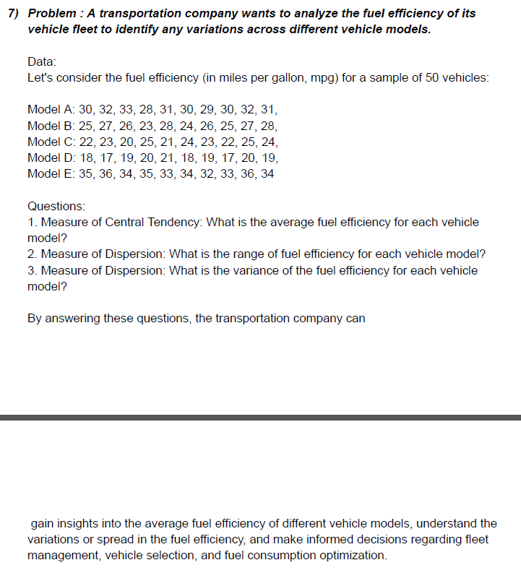
Answer 7
Model A | Model B | Model C | Model D | Model E | Average A | 30.6
30 | 25 | 22 | 18 | 35 | Average B | 25.9
32 | 27 | 23 | 17 | 36 | Average C | 22.9
33 | 26 | 20 | 19 | 34 | Average D | 18.8
28 | 23 | 25 | 20 | 35 | Average E | 34.2
31 | 28 | 21 | 21 | 33 |  |  | Min | Max
30 | 24 | 24 | 18 | 34 | Range A | 5 | 28 | 33
29 | 26 | 23 | 19 | 32 | Range B | 5 | 23 | 28
30 | 25 | 22 | 17 | 33 | Range C | 5 | 20 | 25
32 | 27 | 25 | 20 | 36 | Range D | 4 | 17 | 21
31 | 28 | 24 | 19 | 34 | Range E | 4 | 32 | 36

 |  |  |  |  | Variance A | 2.04
 |  |  |  |  | Variance B | 2.49
 |  |  |  |  | Variance C | 2.49
 |  |  |  |  | Variance D | 1.56
 |  |  |  |  | Variance E | 1.56

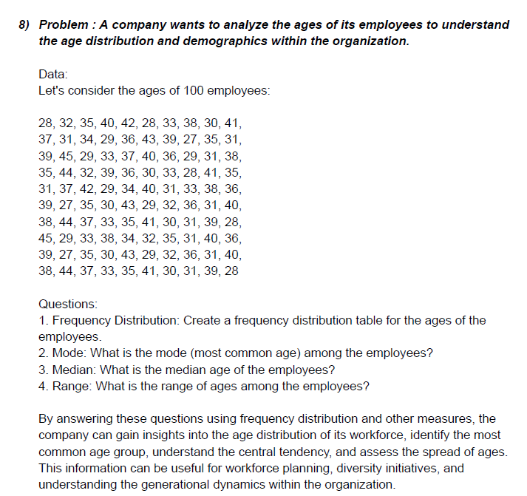
Histogram
Answer 8
Data set
A | B | C | D | E | Min | 27
28 | 39 | 31 | 38 | 39 | Max | 45
32 | 45 | 37 | 44 | 27
35 | 29 | 42 | 37 | 36 | Mode = | 31 |  | Bin | Frequency
40 | 33 | 29 | 33 | 30 | Median = | 35 |  | 25-30 | 21
42 | 37 | 34 | 35 | 43 | Range = | 18 | 27 | 31-35 | 33
28 | 40 | 40 | 41 | 29 |  |  | 45 | 36-40 | 32
33 | 36 | 31 | 30 | 32 | Age Rage | Bin |  | 41-45 | 14
38 | 29 | 33 | 31 | 36 | 25-30 | 30 |  | 46-50 | 0
30 | 31 | 38 | 39 | 31 | 31-35 | 35 |  | More | 0
41 | 38 | 36 | 28 | 40 | 36-40 | 40
37 | 35 | 39 | 45 | 38 | 41-45 | 45
31 | 44 | 27 | 29 | 44 | 46-50 | 50
34 | 32 | 35 | 33 | 37
29 | 39 | 30 | 38 | 33
36 | 36 | 43 | 34 | 35
43 | 30 | 29 | 32 | 41
39 | 33 | 32 | 35 | 30
27 | 28 | 36 | 31 | 31
35 | 41 | 31 | 40 | 39
31 | 35 | 40 | 36 | 28

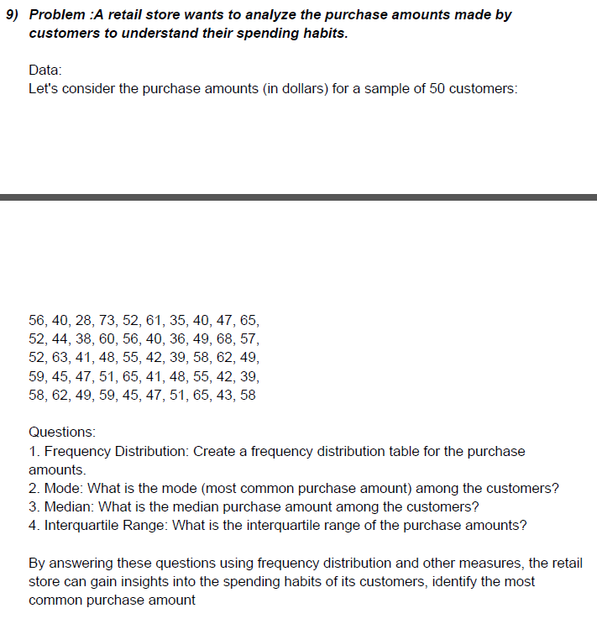
Answer 9
Data set
56 | 52 | 58
40 | 63 | 62 | Mode = | 52
28 | 41 | 49 | Median = | 50
73 | 48 | 59 | Range = | 45 | 28 | Min
52 | 55 | 45 |  |  | 73 | Max
Histogram
61 | 42 | 47
35 | 39 | 51 | Price Range | Bin |  | Bin | Frequency
40 | 58 | 65 | 25-35 | 35 |  | 25-35 | 2
47 | 62 | 43 | 36-45 | 45 |  | 36-45 | 15
65 | 49 | 58 | 46-55 | 55 |  | 46-55 | 15
52 | 59 |  | 56-65 | 65 |  | 56-65 | 16
44 | 45 |  | 66-75 | 75 |  | 66-75 | 2
38 | 47 |  | 76-85 | 85 |  | 76-85 | 0
60 | 51 |  |  |  |  | More | 0
56 | 65
40 | 41
36 | 48
49 | 55
68 | 42
57 | 39

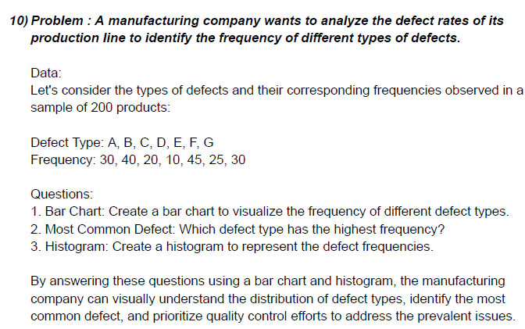
A | 30 | Bar Chart
B | 40
C | 20
D | 10
E | 45
F | 25
G | 30

 |  | Most Common | 45
 |  | Histogram

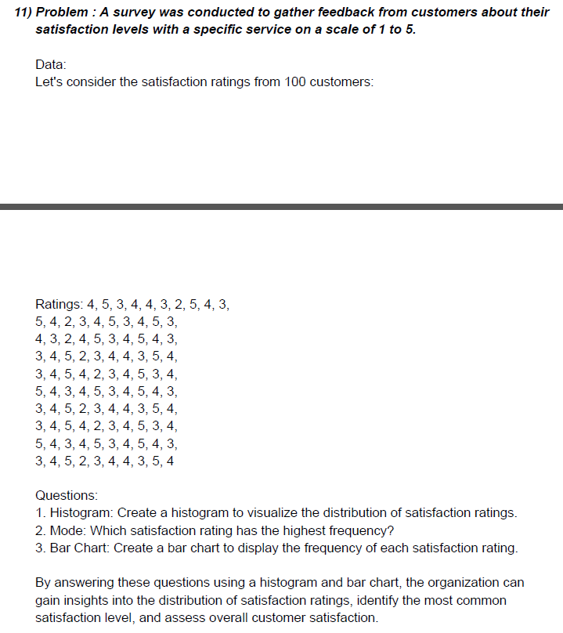
Answer 11
Rating
4 | 4 | 3 | 3 | 5 | Mode = | 4
5 | 3 | 4 | 4 | 4 | Max = | 5
3 | 2 | 5 | 5 | 3 | Min = | 2
4 | 4 | 4 | 2 | 4
4 | 5 | 2 | 3 | 5 | Bin
3 | 3 | 3 | 4 | 3 | 1
2 | 4 | 4 | 4 | 4 | 2
5 | 5 | 5 | 3 | 5 | 3
Histogram
4 | 4 | 3 | 5 | 4 | 4
3 | 3 | 4 | 4 | 3 | 5
5 | 3 | 5 | 3 | 3
4 | 4 | 4 | 4 | 4 | Bin | Frequency
2 | 5 | 3 | 5 | 5 | 1 | 0
3 | 2 | 4 | 4 | 2 | 2 | 8
4 | 3 | 5 | 2 | 3 | 3 | 30
5 | 4 | 3 | 3 | 4 | 4 | 39
3 | 4 | 4 | 4 | 4 | 5 | 23
4 | 3 | 5 | 5 | 3 | More | 0
5 | 5 | 4 | 3 | 5
3 | 4 | 3 | 4 | 4

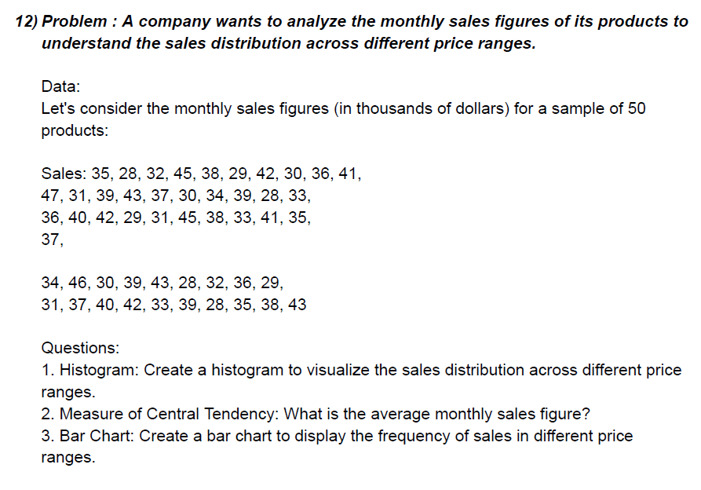
Answer 12

Data Set
35 | 36 | 31 | Average = | 36.14
28 | 40 | 37
32 | 42 | 40
45 | 29 | 42
38 | 31 | 33
Histogram
29 | 45 | 39
42 | 38 | 28
30 | 33 | 35
36 | 41 | 38
41 | 35 | 43
47 | 37 | Bin | Frequency
31 | 34 | 0-10 | 1
39 | 46 | `11-20 | 1
43 | 30 | 21-30 | 11
37 | 39 | 31-40 | 29
30 | 43 | 41-50 | 13
34 | 28 | 51-60 | 1
39 | 32 | More | 0
28 | 36
33 | 29

Range 0-10 | Bin
Range 11-20 | 10
Range 21-30 | 20
Range 31-40 | 30
Range 41-50 | 40
Range 51-60 | 50
 | 60

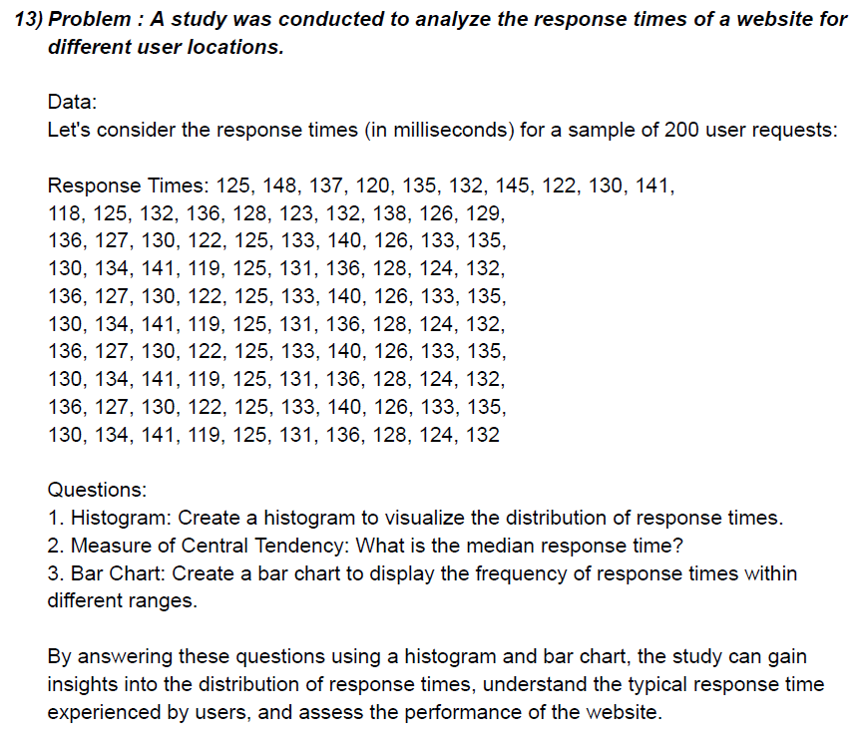

125 | 136 | 136 | 136 | 136 | Min= | 118
148 | 127 | 127 | 127 | 127 | Max= | 148
137 | 130 | 130 | 130 | 130 | Median = | 130.5
120 | 122 | 122 | 122 | 122 | Bin
135 | 125 | 125 | 125 | 125 | 100 | Bin | Frequency
132 | 133 | 133 | 133 | 133 | 110 | 90-100 | 0
145 | 140 | 140 | 140 | 140 | 120 | 101-110 | 0
122 | 126 | 126 | 126 | 126 | 130 | 111-120 | 6
130 | 133 | 133 | 133 | 133 | 140 | 121-130 | 44
141 | 135 | 135 | 135 | 135 | 150 | 131-140 | 43
118 | 130 | 130 | 130 | 130 |  | 141-150 | 7
125 | 134 | 134 | 134 | 134 |  | More | 0
Histogram
132 | 141 | 141 | 141 | 141
136 | 119 | 119 | 119 | 119
128 | 125 | 125 | 125 | 125
123 | 131 | 131 | 131 | 131
132 | 136 | 136 | 136 | 136
138 | 128 | 128 | 128 | 128
126 | 124 | 124 | 124 | 124
129 | 132 | 132 | 132 | 132

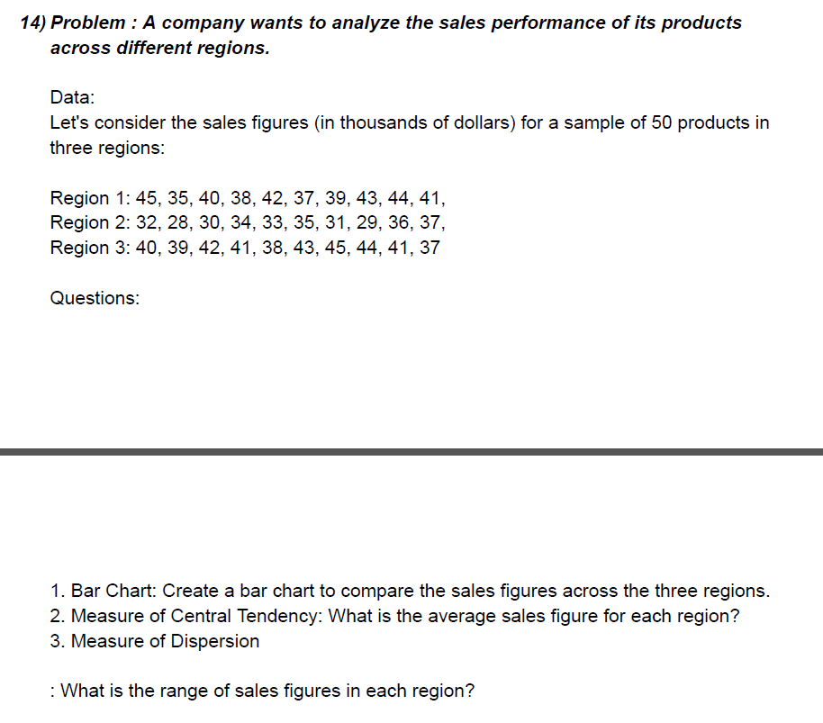
 | Region 1 | Region 2 | Region 3
 | 45 | 32 | 40
 | 35 | 28 | 39
 | 40 | 30 | 42
 | 38 | 34 | 41
 | 42 | 33 | 38
 | 37 | 35 | 43
 | 39 | 31 | 45
 | 43 | 29 | 44
 | 44 | 36 | 41
 | 41 | 37 | 37

Region 1 | Region 2 | Region 3
45 | 32 | 40
35 | 28 | 39
40 | 30 | 42
38 | 34 | 41
42 | 33 | 38
37 | 35 | 43
39 | 31 | 45
43 | 29 | 44
44 | 36 | 41
41 | 37 | 37

Average R1 | 40.4
Average R2 | 32.5
Average R3 | 41

Range R1 | 10
Range R2 | 9
Range R3 | 8
 | Min | Max
Region 1 | 35 | 45
Region 2 | 28 | 37
Region 3 | 37 | 45

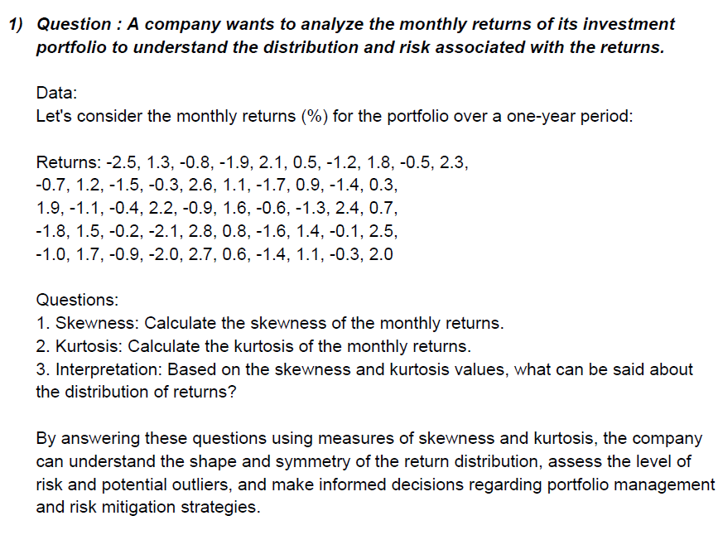
-2.5 | Column1
1.3
-0.8 | Mean | 0.236
-1.9 | Standard Error | 0.21813233205
2.1 | Median | 0.1
0.5 | Mode | -0.3
-1.2 | Standard Deviation | 1.5424285119
1.8 | Sample Variance | 2.3790857143
-0.5 | Kurtosis | -1.3042496426
2.3 | Skewness | 0.054546017084
-0.7 | Range | 5.3
1.2 | Minimum | -2.5
-1.5 | Maximum | 2.8
-0.3 | Sum | 11.8
2.6 | Count | 50
1.1
-1.7
0.9
-1.4
0.3
1.9
-1.1
-0.4
2.2
-0.9
1.6
-0.6
-1.3
2.4
0.7
-1.8
1.5
-0.2
-2.1
2.8
0.8
-1.6
1.4
-0.1
2.5
-1
1.7
-0.9
-2
2.7
0.6
-1.4
1.1
-0.3
2

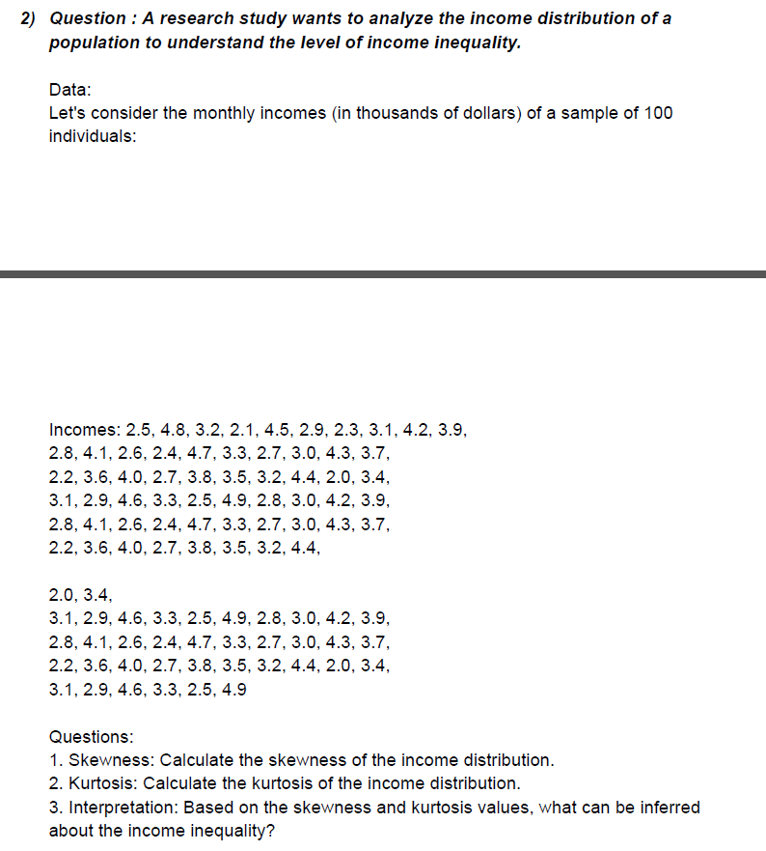
2.5
4.8 | Column1
3.2
2.1 | Mean | 3.3791666667
4.5 | Standard Error | 0.080567023785
2.9 | Median | 3.3
2.3 | Mode | 3.3
3.1 | Standard Deviation | 0.78939239348
4.2 | Sample Variance | 0.62314035088
3.9 | Kurtosis | -0.93120912453
2.8 | Skewness | 0.22402536455
4.1 | Range | 2.9
2.6 | Minimum | 2
2.4 | Maximum | 4.9
4.7 | Sum | 324.4
3.3 | Count | 96
2.7
3
4.3
3.7
2.2
3.6
4
2.7
3.8
3.5
3.2
4.4
2
3.4
3.1
2.9
4.6
3.3
2.5
4.9
2.8
3
4.2
3.9
2.8
4.1
2.6
2.4
4.7
3.3
2.7
3
4.3
3.7
2.2
3.6
4
2.7
3.8
3.5
3.2
4.4
2
3.4
3.1
2.9
4.6
3.3
2.5
4.9
2.8
3
4.2
3.9
2.8
4.1
2.6
2.4
4.7
3.3
2.7
3
4.3
3.7
2.2
3.6
4
2.7
3.8
3.5
3.2
4.4
2
3.4
3.1
2.9
4.6
3.3
2.5
4.9

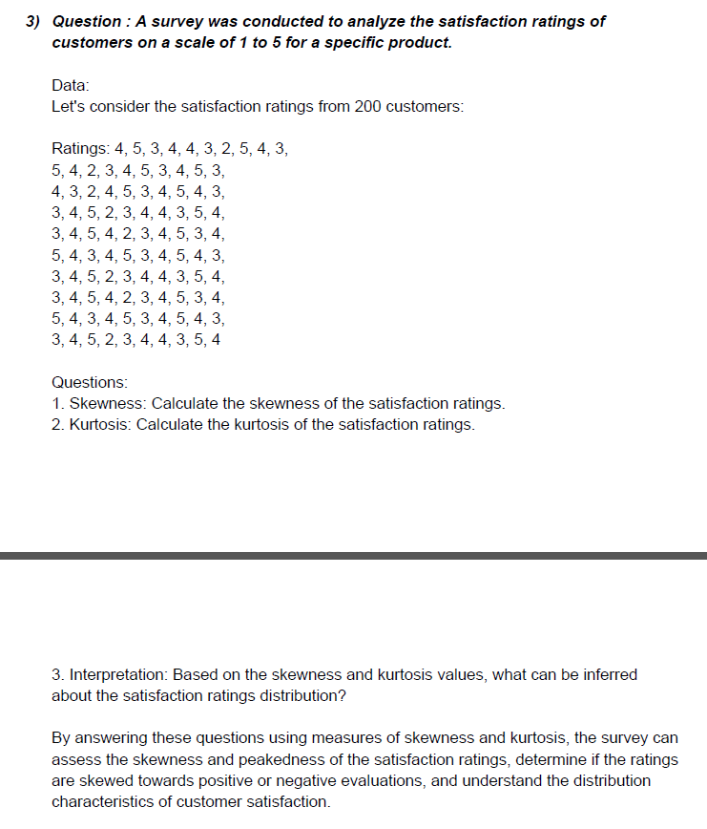
4 | Column1
5
3 | Mean | 3.77
4 | Standard Error | 0.089730235437
4 | Median | 4
3 | Mode | 4
2 | Standard Deviation | 0.89730235437
5 | Sample Variance | 0.80515151515
4 | Kurtosis | -0.74525627212
3 | Skewness | -0.21090973977
5 | Range | 3
4 | Minimum | 2
2 | Maximum | 5
3 | Sum | 377
4 | Count | 100
5
3
4
5
3
4
3
2
4
5
3
4
5
4
3
3
4
5
2
3
4
4
3
5
4
3
4
5
4
2
3
4
5
3
4
5
4
3
4
5
3
4
5
4
3
3
4
5
2
3
4
4
3
5
4
3
4
5
4
2
3
4
5
3
4
5
4
3
4
5
3
4
5
4
3
3
4
5
2
3
4
4
3
5
4

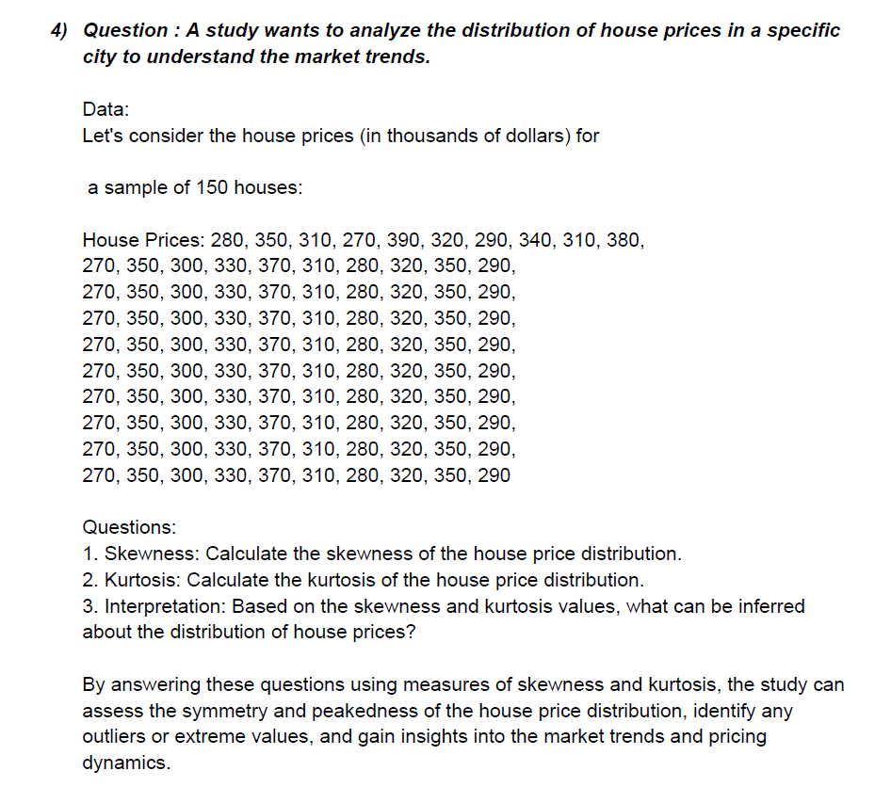
280 | Column1
350
310 | Mean | 317.7
270 | Standard Error | 3.2344577864
390 | Median | 315
320 | Mode | 350
290 | Standard Deviation | 32.344577864
340 | Sample Variance | 1046.1717172
310 | Kurtosis | -1.0374244845
380 | Skewness | 0.2092186248
270 | Range | 120
350 | Minimum | 270
300 | Maximum | 390
330 | Sum | 31770
370 | Count | 100
310
280
320
350
290
270
350
300
330
370
310
280
320
350
290
270
350
300
330
370
310
280
320
350
290
270
350
300
330
370
310
280
320
350
290
270
350
300
330
370
310
280
320
350
290
270
350
300
330
370
310
280
320
350
290
270
350
300
330
370
310
280
320
350
290
270
350
300
330
370
310
280
320
350
290
270
350
300
330
370
310
280
320
350
290

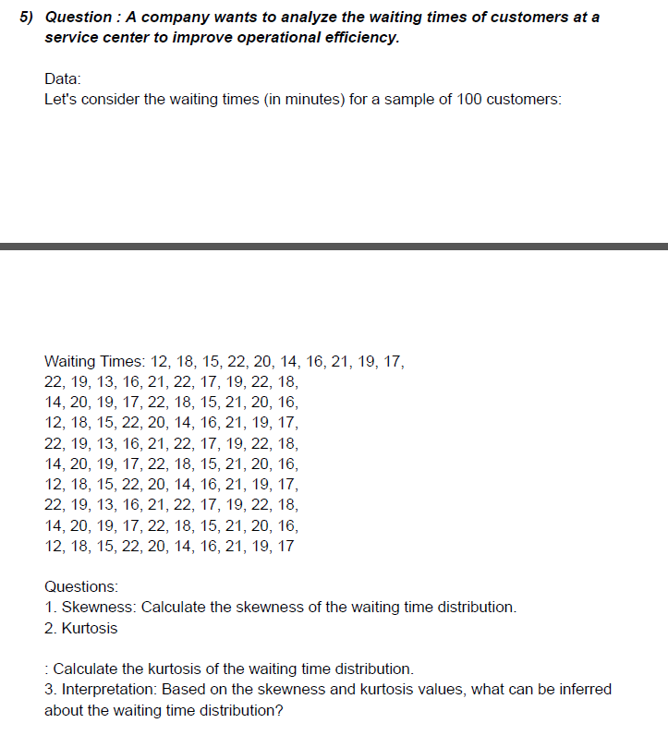

12 | Column1
18
15 | Mean | 18.09
22 | Standard Error | 0.29166709957
20 | Median | 18
14 | Mode | 22
16 | Standard Deviation | 2.9166709957
21 | Sample Variance | 8.506969697
19 | Kurtosis | -0.88101144669
17 | Skewness | -0.33501287222
22 | Range | 10
19 | Minimum | 12
13 | Maximum | 22
16 | Sum | 1809
21 | Count | 100
22
17
19
22
18
14
20
19
17
22
18
15
21
20
16
12
18
15
22
20
14
16
21
19
17
22
19
13
16
21
22
17
19
22
18
14
20
19
17
22
18
15
21
20
16
12
18
15
22
20
14
16
21
19
17
22
19
13
16
21
22
17
19
22
18
14
20
19
17
22
18
15
21
20
16
12
18
15
22
20
14
16
21
19
17

